Sheet1
dataset | HaGrid | Dgrid | Ours
Sensorless_drive_diagnosis | 5.66 | 2.32 | 3.14
Condition_based_maintenance | 1.76 | 3.7 | 3.71
Cup98LRN | 26.58 | 7.45 | 2.08
Google_playstore_sentiment | 2.39 | 2.95 | 3.92
BeijingPM2.5 | 41.73 | 3.73 | 3.03
Human_activity_recognition | 2.09 | 4.45 | 4.27
Crowd_sourced_mapping | 1.48 | 3.43 | 3.92
Telescope | 3.29 | 3.62 | 5.81
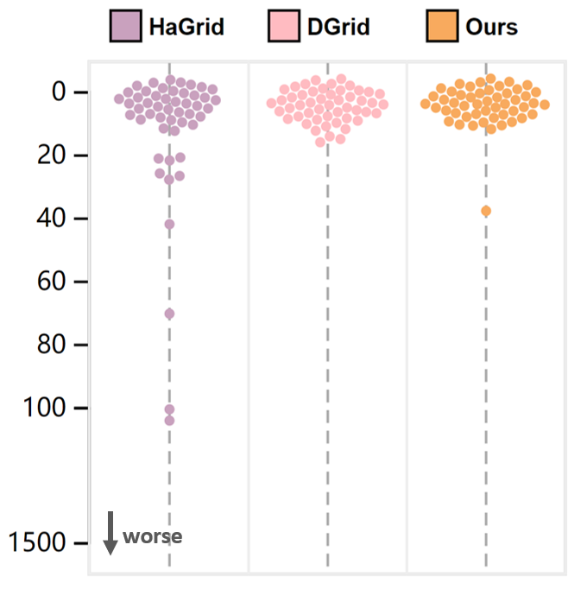
Credit_card_fraud | 25.91 | 8.77 | 2.79
MoCap | 5.27 | 3.64 | 4.53
BlackFriday | 3.34 | 2.75 | 1.52
2008_cancelled_flights | 21.01 | 8.54 | 3.96
Barcelona_accident | 1.94 | 3.29 | 3.52
HT_sensor | 214.59 | 14.35 | 37.52
Epileptic_seizure | 1.08 | 2.95 | 3.7
Terrorism | 127.09 | 9.28 | 3.93
Mnist_tsne | 2.29 | 1.79 | 2.86
Swiss_roll_3d | 1.43 | 3.35 | 3.4
Nomao | 2.22 | 3.35 | 2.84
Person_activity | 70.08 | 3.5 | 2.49
Diamonds | 21.35 | 2.86 | 2.72
Wine | 4.43 | 3.92 | 3.42
Gas_sensor_array_drift | 20.72 | 4.16 | 6.07
Abalone | 1.21 | 3.32 | 3.83
Gesture_phase | 1.44 | 3.64 | 5.19
CS_rankings | 1.96 | 1.77 | 2.21
Satimage | 3.78 | 4.28 | 5.96
Avila | 8.92 | 3.56 | 4.54
Forest_covertype | 11.13 | 15.57 | 1.72
Clothes | 1.89 | 2.85 | 3.99
News_popularity | 3.11 | 2.42 | 2.24
Grammatical_facial_expression | 6.24 | 3.23 | 4.57
Swiss_roll_2d | 1.35 | 4.02 | 7.48
Hathi_trust_library | 3.01 | 2.16 | 1.25
Daily_sports | 10.36 | 10.95 | 6.16
Manhattan | 0.82 | 2 | 3.56
Phyllotaxis | 0.83 | 2.1 | 2.64
Basketball | 1.73 | 2.53 | 3.52
Dc_census_citizens | 7.43 | 2.67 | 1.75
Chicago_crimes | 2.56 | 3.28 | 1.98
DBLP_samples | 7.79 | 2.16 | 1.3
Music | 1.73 | 2.65 | 3.09
News | 1.32 | 1.99 | 2.61
Paleontology | 1.6 | 2.36 | 2.63
COVID-19_deaths | 6 | 3.32 | 3.69
GridGena | 1.46 | 2.18 | 2.38
GaAsH6 | 1.41 | 1.93 | 3.77
Copter | 1.49 | 2.1 | 2.74
News_aggregator | 27.23 | 13.04 | 3.48
GNFUV | 4.03 | 4.61 | 4.57

